Z-Test n
Two-Sided Tests | Left-Tailed Test
Suppose a pharmaceutical company manufactures ibuprofen pills. They need to perform some quality assurance to ensure they have the correct dosage, which is supposed to be 500 milligrams. This is a two-sided test because if the company's pills are deviating significantly in either direction, meaning there are more than 500 milligrams or less than 500 milligrams, this will indicate a problem. | In this next example, we'll look at the proportion of students who suffer from test anxiety. We want to test the claim that fewer than half of students suffer from test anxiety.

In a random sample of 125 pills, there is an average dose of 499.3 milligrams with a standard deviation of 6 milligrams. Because this is quantitative data, 500 mg is the population mean. We can use the following formula to calculate the z-score: | In this case, we will have a left-tailed test. Because this is qualitative data, meaning the students answer yes or no to suffering from test anxiety, this is a population proportion and we can use the following formula to calculate the z-test statistic:
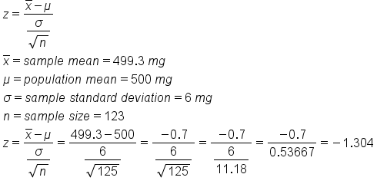 | 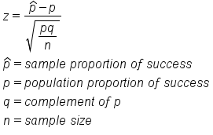
We get a z-score of negative 1.304. Because this is a two-sided test, it is not enough to just look at the left tail. We also have to look at the equivalent of the right tail, or a positive 1.304 | In a random sample of 1000 students, 450 students claimed to have test anxiety. This will be p-hat, or the sample proportion. We can calculate this by dividing 450 by 1000, or 0.45. The population proportion, p, is 50%, or 0.50. The complement of p, or q, can be found by calculating 1 minus 0.50, or 0.50. The sample size is 1000.
The first way to find the p-value is to use the z-table. In the z-table, the left column will show values to the tenths place, while the top row will show values to the hundredths place. If we have a z-score of -1.304, we need to round this to the hundredths place, or -1.30. In the left column, we will first find the tenths place, or -1.3. In the top row, we will find the hundredths place, or 0.
0.096053220434 | The corresponding z-score is negative 3.162. Testing against that half, or 50%, of students suffer from test anxiety, we get the following shaded region all the way to the left of our curve:
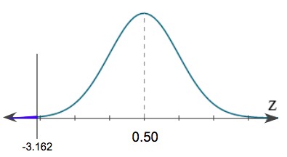

 | The first way to find the p-value is with the z-table. Remember, we can only go up to the hundredths place, so we will need to round -3.162 to -3.16. In the left column, we will first find the tenths place, or -3.1. In the top row, we will find the hundredths place, or 0.06. This gives us a p-value of 0.0008, or 0.08%.
 | To find the p-value on the graphing calculator, click "2nd", then "DISTR" for distribution. Again, we will use "normalcdf". When inserting the values into the calculator, remember we always go lower boundary to upper boundary. In this case, the lower boundary was shaded all the way to the left of the curve, which would be negative infinity. We cannot enter negative infinity in our calculator, so instead, we can just enter negative 99. The shading stops at -3.162, so this is the upper boundary.

Histogram
Histogram | Number of Students |  | Bin | Frequency
 | 22 | 20 | 0 - 20 | 1
This example teaches you how to create a histogram in Excel. | 29 | 25 | 21 - 25 | 8
 | 40 | 30 | 26 - 30 | 2
 | 30 | 35 | 31 - 35 | 2
 | 48 | 40 | 36 - 40 | 3
 | 24 |  | 40+ | 2
 | 21
Histogram
 | 19
 | 24
 | 22
 | 25
 | 52
 | 35
 | 40
 | 31
 | 37
 | 21
 | 23

Moving Average
Moving Average | Period | 0 | 1 | 2 | 3 | 4 | 5 | 6 | 7 | 8 | 9 | 10 | 11
 | Actual | 120 | 150 | 240 | 540 | 210 | 380 | 120 | 870 | 250 | 1100 | 500 | 950
This example teaches you how to calculate the moving average of a time series in Excel. A moving average is used to smooth out irregularities (peaks and valleys) to easily recognize trends.
Explanation: because we set the interval to 6, the moving average is the average of the previous 5 data points and the current data point. As a result, peaks and valleys are smoothed out. The graph shows an increasing trend. Excel cannot calculate the moving average for the first 5 data points because there are not enough previous data points. | Interval = 2 | #N/A | 135 | 195 | 390 | 375 | 295 | 250 | 495 | 560 | 675 | 800 | 725
 | Interval = 4 | #N/A | #N/A | #N/A | 262.5 | 285 | 342.5 | 312.5 | 395 | 405 | 585 | 680 | 700
 | Interval = 6 | #N/A | #N/A | #N/A | #N/A | #N/A | 273.33333333 | 273.33333333 | 393.33333333 | 395 | 488.33333333 | 536.66666667 | 631.66666667

Exp Smoothing
Exponential Smoothing | Period | 0 | 1 | 2 | 3 | 4 | 5 | 6 | 7 | 8 | 9 | 10 | 11
 | Actual | 120 | 150 | 240 | 540 | 210 | 380 | 120 | 870 | 250 | 1100 | 500 | 950
This example teaches you how to apply exponential smoothing to a time series in Excel. Exponential smoothing is used to smooth out irregularities (peaks and valleys) to easily recognize trends. | Alpha=0.1 | #N/A | 120 | 123 | 134.7 | 175.23 | 178.707 | 198.8363 | 190.95267 | 258.857403 | 257.9716627 | 342.17449643 | 357.95704679
 | Alpha=0.3 | #N/A | 120 | 129 | 162.3 | 275.61 | 255.927 | 293.1489 | 241.20423 | 429.842961 | 375.8900727 | 593.12305089 | 565.18613562
Explanation: because we set alpha to 0.1, the previous data point is given a relatively small weight while the previous smoothed value is given a large weight (i.e. 0.9). As a result, peaks and valleys are smoothed out. The graph shows an increasing trend. Excel cannot calculate the smoothed value for the first data point because there is no previous data point. The smoothed value for the second data point equals the previous data point. | Alpha=0.8 | #N/A | 120 | 144 | 220.8 | 476.16 | 263.232 | 356.6464 | 167.32928 | 729.465856 | 345.8931712 | 949.17863424 | 589.83572685

Conclusion: The smaller alpha (larger the damping factor), the more the peaks and valleys are smoothed out. The larger alpha (smaller the damping factor), the closer the smoothed values are to the actual data points.

